Sheet1
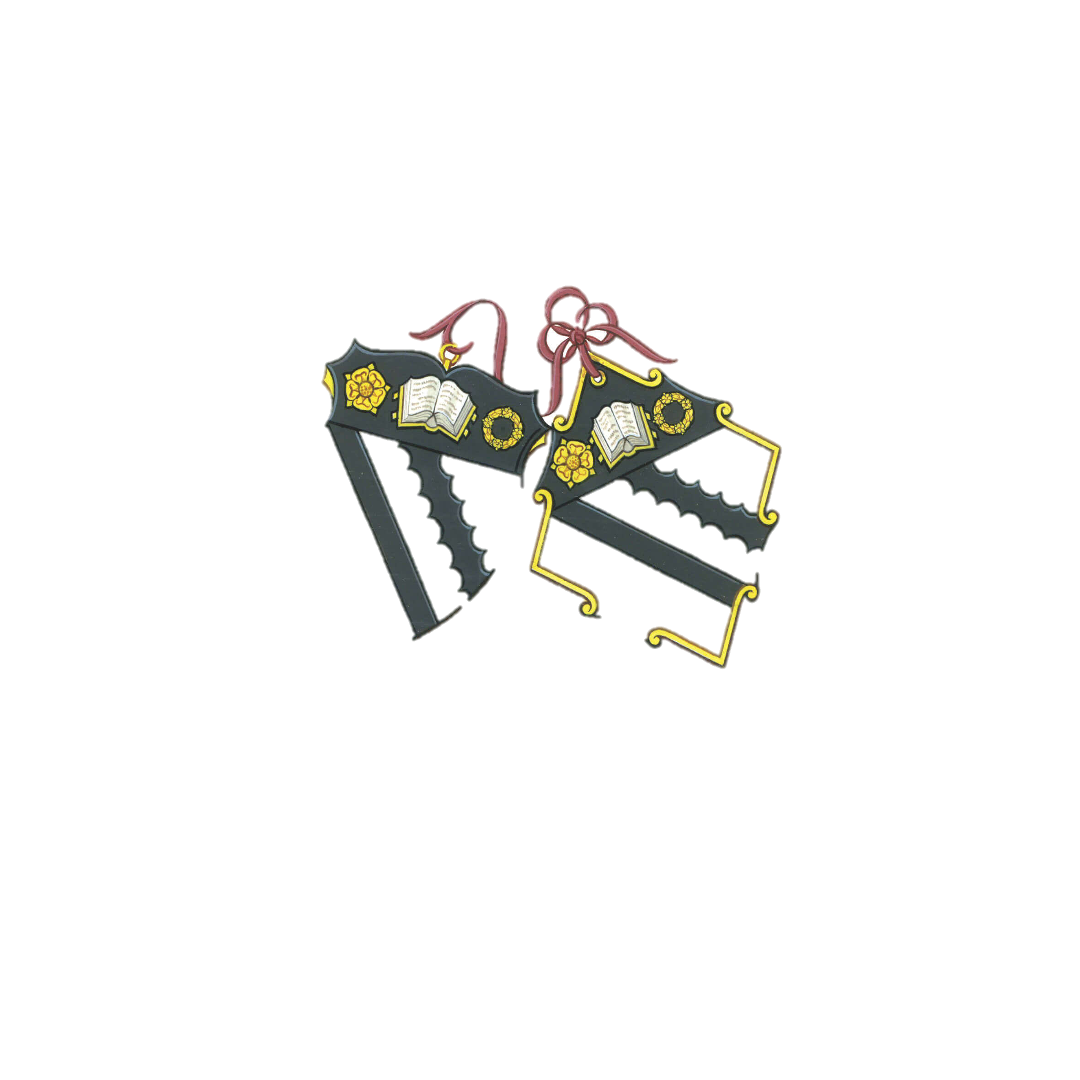
Subject Name: | IT102
Subject Code: | 1
Professor Name: | Richard Louie T. Orilla

Student ID | Student Name | Term 1 | Term 2 | Term 3 | Term 4 | Final
1 | Jonathan Steyson | 80 | 85 | 87 | 85 | 84.25
2 | Garry Kildall | 90 | 80 | 50 | 100 | 80
3 | Hanamichi Sakugari | 100 | 100 | 90 | 70 | 90
4 | Terrence Yep | 100 | 80 | 90 | 70 | 85
5 | Dragon kang | 60 | 60 | 100 | 50 | 67.5
6 | Jackie Chen | 80 | 70 | 75 | 63 | 72

BOLTON SCHOOL

